BEAR BUDDY
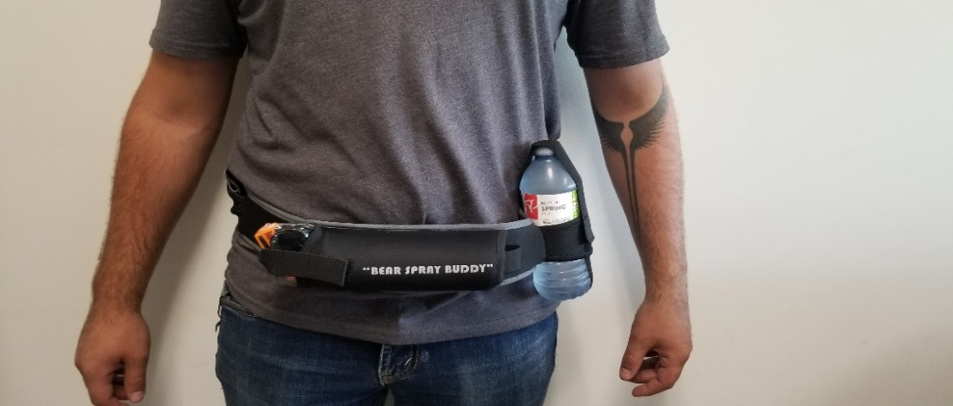
 | #100 24787 - 117 Ave. • Acheson, AB • T7X 6C2 Toll Free: 1-866-967-4049 • Phone: 780-960-0418 • Fax: 780-960-1833 Email: info@nahuntingsupplies.com • Website: www.nahuntingsupplies.com
 | REVOLUTION HUNTING PRODUCTS | Dealer | ORDER | TOTAL
REV-BEARBUDDY | BEAR SPRAY BELT | $19.00 |  | $-

 | 